2020_Trip_Dashboard
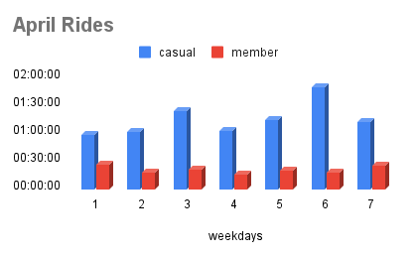
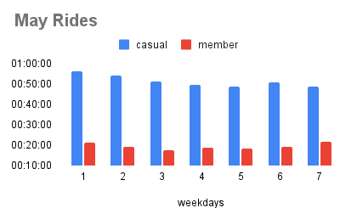
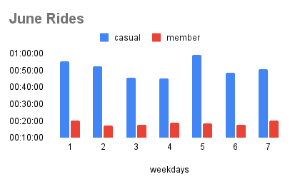
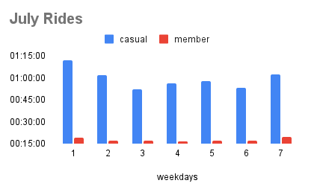
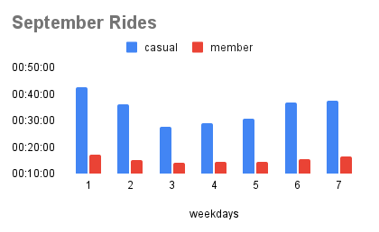
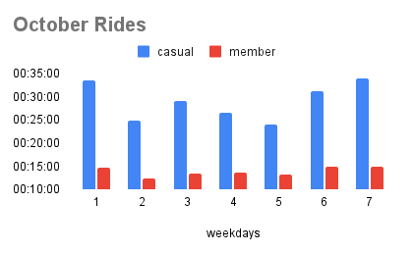
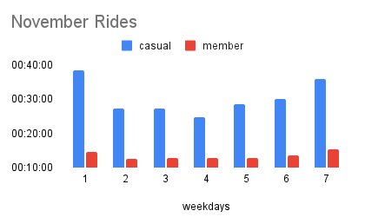
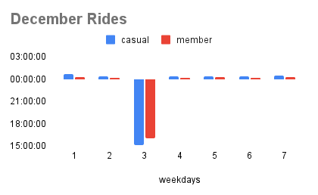
Cyclistic 2020 Ride Analysis

April-Dec_2020
Average Ride Lengths for 2020
Month | Casual | Member
April | 1:15:17 | 0:20:59
May | 1:15:17 | 0:20:59
June | 0:51:02 | 0:18:36
July | 0:59:26 | 0:17:47
September | 0:34:22 | 0:15:20
October | 0:29:03 | 0:13:53
November | 0:30:24 | 0:13:33
December | 23:06:42 | 23:02:50

cyclisticdb
Cyclistic 2020 Ride Analysis

Average Ride Lengths for 2020

